ROPA Requirements
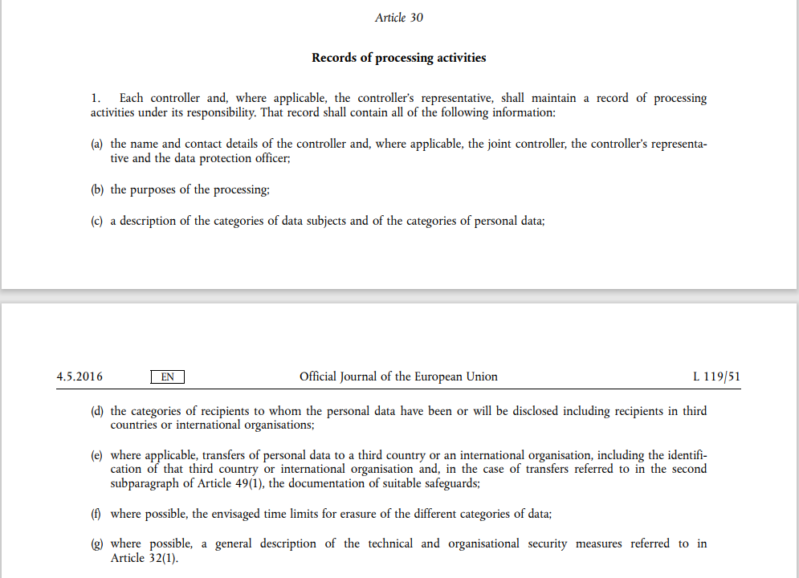
Under GDPR Article 30, your Records of Processing Activities shall include at least the following requirements from (a) - (g).

